Sheet1
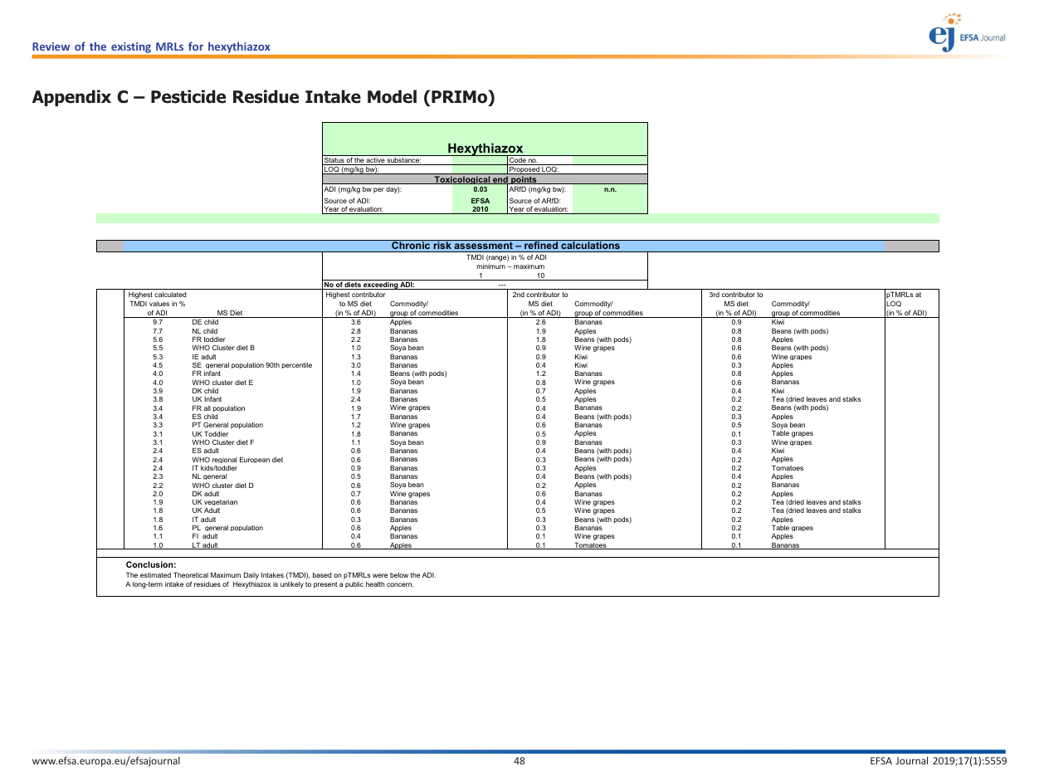
Review of the existing MRLs for hexythiazox
Appendix A – Summary of authorised uses considered for the review of MRLs A.1. Authorised outdoor uses in northern EU
 |  |  |  | Preparation |  |  | Application |  |  | Application rate per treatment |  |  | PHI (days) | Remarks
Crop | country | F G or I( | Pests controlled | Type | Concentration | Method | Range of growth stages & season© | Number min– max | Interval between application (min) | a.s./ hL min– max | Water L/ha min– max | Rate

